Q1
Variable | Actual number of employees |  |  | Data type | Numerical
Purpose | Statistical summary

Distribution of number of employees
Table - 1: Summary statistics |  |  | Class width | 34 |  |  |  | Fig - 1
Summary statistics of the number of employees |  |  | Table - 2: Frequency distribution of number of employees
Mean | 30.03 |  | Lower Class (Number of employees) | Upper Class (Number of employees) | Number of businesses (Frequency) | Percentage of frequency | Cumulative frequency %
Median | 8.00 |  | 0 | 34 | 113 | 75.33% | 75.33%
Mode | 1.00 |  | 35 | 69 | 16 | 10.67% | 86.00%
Standard Deviation | 53.87 |  | 70 | 104 | 12 | 8.00% | 94.00%
Sample Variance | 2902.43 |  | 105 | 139 | 1 | 0.67% | 94.67%
Kurtosis | 9.74 |  | 140 | 174 | 2 | 1.33% | 96.00%
Skewness | 3.02 |  | 175 | 209 | 1 | 0.67% | 96.67%
Range | 307.00 |  | 210 | 244 | 2 | 1.33% | 98.00%
Minimum | 1.00 |  | 245 | 279 | 2 | 1.33% | 99.33%
Maximum | 308.00 |  | 280 | 314 | 1 | 0.67% | 100.00%
Quartile 1 | 2.00 |  | Total |  | 150 | 100%
Quartile 3 | 34.00
Sum | 4504.00
Count | 150.00
Interquartile range | 32.00
Coefficient of variation | 1.79

Variable | Actual number of employees and Industries |  | Data type | Categorical
Purpose | Employability w.r.t. the industries

Distribution of employees w.r.t. industries
Table - 3: Industry wise number of employees |  |  |  | Fig - 2
Industry | Total Employees | Percentage of employees | Cumulative percentage of employees
Business professional and commercial services | 1212 | 26.91% | 26.91%
Manufacturing, transport and storage | 822 | 18.25% | 45.16%
Government, eduion and community services | 712 | 15.81% | 60.97%
Service trades, electricity, gas, construction and wholesale trade | 634 | 14.08% | 75.04%
Accommodation and Food services | 490 | 10.88% | 85.92%
Retail trade | 284 | 6.31% | 92.23%
Other services | 252 | 5.60% | 97.82%
Primary Industries | 98 | 2.18% | 100.00%
Total | 4504 | 100.00%

Fig - 3

Note: Excel does not plot curve from the middle point of the bar (category). Instead it plots the curve based on the third axis (Percentage).

Variable | Increase/Decrease in employees |  | Data type | Categorical
Purpose | To identify expected change in employment

Table - 4: Changed and expected change in number of employees
Status | Last 12 months | Last 12 months percentage | Change expected in next 12 months | Expected change percentage
Increase | 48 | 32.0% | 57 | 38.0%
Decrease | 27 | 18.0% | 11 | 7.3%
No change | 75 | 50.0% | 70 | 46.7%
Unsure | 0 | 0.0% | 12 | 8.0%
Total | 150 | 100% | 150 | 100.0%

Fig - 4
Comparison - Expected and past change in employment

Q2
Variable | Growth strategy
Purpose | Proportion of businesses having growth strategy
 |  | Table - 6: Calculation of confidence interval for prportion
 |  | Categorical Data |  | Sr.No. | Assumptions/Observations/Conclusion:
 |  | Confidence Interval for proportion (p) |  | 1 | Sample size of n = 150 and Level of significance = 0.05
Table - 5: Businesses having growth strategy |  |  |  | 2 | As sample size is 150 (greater than 120), we can assume shape of the distribution is normal distribution and is influenced by
Status | Growth strategy | Data |  |  | Central Limit Theorem.
Yes | 107 | Sample Size (n) | 150 | 3 | np is 107 and n(1-p) is 43, which is greater than 5, thus we can use Z distribution assuming sampling distribution of the
No | 43 | Count of Successes | 107 |  | proportion is normally distributed.
Total | 150 | Confidence Level | 95% | 4 | Z distribution is used as t distribution needs sample size which we need to estimate.
 |  | np | 107 |  | Conclusion:
 |  | n(1-p) | 43 |  | We conclude with 95% confidence that the population mean proportion of businesses having growth strategy is
 |  | Intermediate Calculations |  |  | between 0.64 and 0.79.
 |  | Sample Proportion (p) | 71% |  | Fig - 5: Two tails critical values at 0.05 significance level of normal distribution
$$SE=\sqrt{{p(1−p)}/n}$$

 |  | Z Value | 1.96
 |  | Standard Error of the Proportion ( ) | 0.037
 |  | Sampling Error/Margin of Error (= SE * Z Value) | 0.0724

 |  | Confidence Interval
 |  | Interval Lower Limit (= Sample Proportion - ME) | 0.64
 |  | Interval Upper Limit (= Sample Proportion + ME) | 0.79

 |  |  |  |  | Source: http://www.imathas.com

Q3
Variable | Growth strategy
Purpose | Proportion of businesses having growth strategy

A] | Table - 7: Hypothesis test for proportion
 | Categorical data |  |  |  | Sr.No. | Assumptions/Observations:
 |  |  |  |  | 1 | Sample size of n = 150 and Level of significance = 0.05
 | Hypothesis Test for π (Proportion) |  |  |  | 2 | As sample size is 150 (greater than 120), we can assume shape of the distribution is normal distribution and is influenced by Central Limit Theorem.
 |  |  |  |  | 3 | np is 107 and n(1-p) is 43, which is greater than 5, thus we can use Z distribution assuming sampling distribution of the proportion is
 | Hypotheses |  |  |  |  | normally distributed. | np | 107 | n(1-p) | 43
 | Null Hypothesis | π | ≥ | 76.00% | 4 | If calculated Z statistics is > than critical value of -1.645, then accept Null Hypothesis.
 | Alternative Hypothesis | π | < | 76.00% |  | Fig - 6: Lower tail critical values at 0.05 significance level and calculated Z value of one tail normal distribution
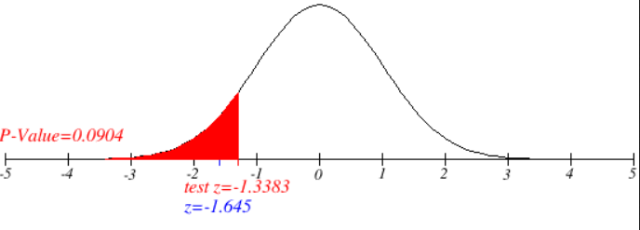
 | Test Type |  |  | Lower
 | Level of significance
 |  |  | α | 0.05
 | Critical Region
 | Critical Value (s) |  |  | -1.645
 | Sample Data
 | Sample Size |  |  | 150
 | Count of 'Successes' |  |  | 107

 | Sample proportion, p |  |  | 71.33%
 | Standard Error |  |  | 3.49%
 | Z Sample Statistic |  |  | -1.3383 |  | Source: http://www.imathas.com
 | p-value |  |  | 0.0904 |  | Conclusion:
 |  |  |  |  |  | Since calculated Z statistics is greater than critical value -1.645, we accept null hypotheses. There is enough evidence at the 5% level of significance
 | Decision |  |  |  |  | that the mean proportion of businesses having growth strategy is greater than or equal to 0.76.
 | We accept null hypothesis as p value is greater than 0.05 and calculated Z statistics is greater than critical value

Variable | Growth strategy and Actual number of employees
Purpose | Comparison of average number of employees for businesses with growth and without growth

B.1] | Table - 8: Estimation of average employees for businesses with growth strategy
 | Numerical Data |  |  |  | Sr.No. | Assumptions/Observations/Conclusion:
 |  |  |  |  | 1 | Sample size of n = 150 and Level of significance = 0.05
 | Population Standard Deviation (s) Unknown |  |  |  | 2 | Population standard deviation is unknown, thus we cannot use Z distribution. Since, sample size 107 (greater than 30), we can use t statistics (CLT).
 |  |  |  |  | 3 | We conclude with 95% confidence that the average number of employees for businesses with growth strategy is between 24 and 46.
 | Confidence Interval for mean (m)
 |  |  |  |  |  | Fig - 7:Two tail t distribution critical values at 0.05 significance level and 106 d.f.
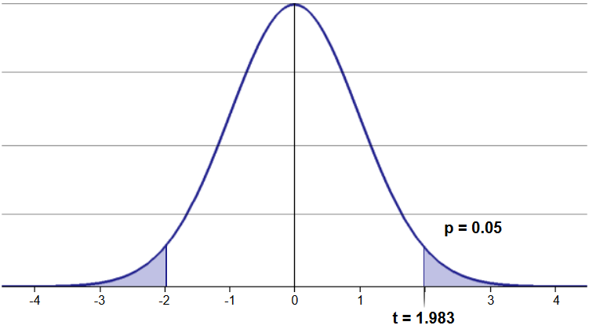
 | Data
 | Sample Standard Deviation (s) | 57.86
$$\overline{x}$$
 | Sample Mean ( ) | 34.74
 | Sample Size (n) | 107.00
 | Confidence Level | 95%

SE ${=s}/{\sqrt{n}}$
 | Intermediate Calculations
 | Standard Error of the Mean ( ) | 5.59
 | Degrees of Freedom (df = n-1) | 106.00
 | t Value | 1.983
 | Sampling Error/Margin of Error (= SE * t Value) | 11.090

 | Confidence Interval
 | Interval Lower Limit (= Sample Mean - ME) | 23.65
 | Interval Upper Limit (= Sample Mean + ME) | 45.83
 |  |  |  |  |  | Source: http://www.statdistributions.com

B.2] | Table - 9: Estimation of average employees for businesses without growth strategy
 | Numerical Data |  |  |  | Sr.No. | Assumptions/Observations/Conclusion:
 |  |  |  |  | 1 | Sample size of n = 150 and Level of significance = 0.05
 | Population Standard Deviation (s) Unknown |  |  |  | 2 | Population standard deviation is unknown, thus we cannot use Z distribution. Since, sample size 43 (greater than 30), we can use t statistics (CLT).
 |  |  |  |  | 3 | We conclude with 95% confidence that the average number of employees for businesses without growth strategy is between 6 and 31.
 | Confidence Interval for mean (m)
 |  |  |  |  |  | Conclusion for Part B:
 | Data |  |  |  |  | Since two confidence intervals for businesses with and without growth overlap, we cannot conclude with 95% confidence that the average number of
 | Sample Standard Deviation (s) | 40.62 |  |  |  | employees for business with growth strategy is greater than the average number of employees for businesses without growth.
$$\overline{x}$$
 | Sample Mean ( ) | 18.30
 | Sample Size (n) | 43.00 |  |  |  | Fig - 8: Two tail t distribution critical values at 0.05 significance level and 42 d.f.
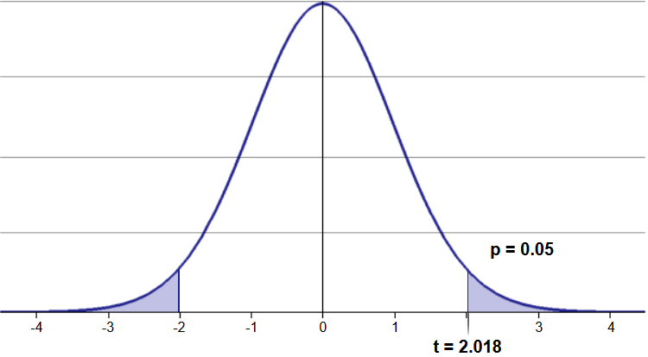
 | Confidence Level | 95%

SE ${=s}/{\sqrt{n}}$
 | Intermediate Calculations
 | Standard Error of the Mean ( ) | 6.19
 | Degrees of Freedom (df = n-1) | 42.00
 | t Value | 2.018
 | Sampling Error/Margin of Error (= SE * t Value) | 12.501

 | Confidence Interval
 | Interval Lower Limit (= Sample Mean - ME) | 5.80
 | Interval Upper Limit (= Sample Mean + ME) | 30.80

 |  |  |  |  |  | Source: http://www.statdistributions.com

Q5
Purpose | To find likelihood of new business in next year

A] | Probability of more than 15 businesses will open next year |  | B] | Probability of less than or equal to 5 business will open next year
 |  |  |  |  |  |  | X | Probabilit (Poisson distribution)
 | l | 10 |  | l | 10 |  | 0 | 0.000
 |  |  |  |  |  |  | 1 | 0.000
 | P(X>15) = | 1-[ P(X=0)+….+P(X=15) ] |  | P(X≤5) = | [ P(X=0)+….+P(X=5) ] |  | 2 | 0.002
 | P(X>15) = | 0.049 |  | P(X≤5) = | 0.067 |  | 3 | 0.008
 |  |  |  |  |  |  | 4 | 0.019
Sr.No. | Assumptions: |  |  |  |  |  | 5 | 0.038
1 | Since we have past annual average of new businesses, we can use Poisson distribution to calculate probabilities to count occurrence of events in an interval of time. |  |  |  |  |  | 6 | 0.063
2 | Probability of average 10 new businesses commence every year is constant. |  |  |  |  |  | 7 | 0.090
3 | Average number of new businesses in a year is not dependent on any other years (interval). |  |  |  |  |  | 8 | 0.113
 |  |  |  |  |  |  | 9 | 0.125
 | Conclusion: |  |  |  |  |  | 10 | 0.125
A] | With 95% confidence level likelihood of more than 15 new business next year is 0.049. |  |  |  |  |  | 11 | 0.114
B] | With 95% confidence level likelihood of less than or equal to 5 new business in next year is 0.067 |  |  |  |  |  | 12 | 0.095
 |  |  |  |  |  |  | 13 | 0.073
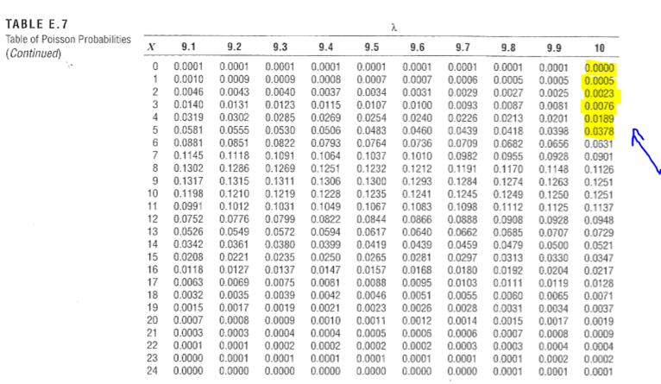
 | Fig - 11: Poisson table for part A |  |  |  | Fig - 12: Poisson table for part B |  | 14 | 0.052
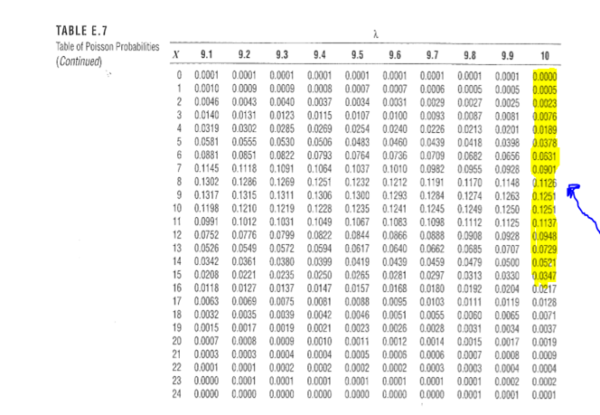
 |  |  |  |  |  |  | 15 | 0.035
 |  |  |  |  |  | Answer | A] | 0.049
 |  |  |  |  |  | Answer | B] | 0.067

